Sheet1
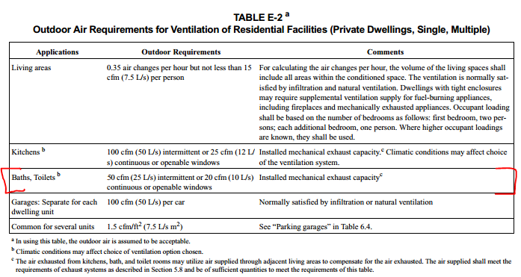
L [ft] | 3
W [ft] | 6
H [ft] | 8

Latrine Vol | 144 | cu ft
 |  |  |  | 8 | (Viessman 1964)
ACH | 8 | (Viessman 1964) |  | 6 | (Mara and Ryan 1983)
(air changes/hour) |  |  |  | 2 | (ASHRAE 2005)
 | 1152 | cu ft / hour

 | 19.2 | CFM | <24 hours!

 | 57.6 | CFM for 8/24 duty cycle

 |  |  |  |  |  | https://www.ashrae.org/file%20library/doclib/public/200418145036_347.pdf

